14.2 Excel
Fundraising Expenses (%) Line Fit Plot
Charity # | Charity | Total Expenses ($) | Administrative Expenses (%) | Fundraising Expenses (%) | Program Expenses (%)
1 | American Red Cross | 3356752538 | 3.6 | 3.8 | 92.2
2 | World Vision | 1206921816 | 4 | 7.6 | 88.3
3 | Smithsonian Institution | 1079937368 | 23.1 | 2.5 | 73.8
4 | Food For the Poor | 1049197043 | 0.7 | 2.2 | 96.7
5 | American Cancer Society | 1005615928 | 5.9 | 22.2 | 71.6
6 | Volunteers of America | 931656367 | 8.5 | 1.8 | 89.2
7 | Dana-Farber Cancer Institute | 877946200 | 13.2 | 1.5 | 85.1
8 | AmeriCares | 856062862 | 0.5 | 0.6 | 98.5
9 | ALSAC - St. Jude Children's Research Hospital | 828661063 | 9.5 | 16.7 | 73.6
10 | City of Hope | 735506447 | 13.7 | 3.1 | 83.2
Preliminary Analysis(observing Scatter plot) shows these two outliers.
SUMMARY OUTPUT

Regression Statistics
Multiple R | 0.69143186251
R Square | 0.47807802049
Adjusted R Square | 0.41283777306
Standard Error | 7.3906348715
Observations | 10

ANOVA
 | df | SS | MS | F | Significance F
Regression | 1 | 400.26412957 | 400.26412957 | 7.3279614849 | 0.026781324265
Residual | 8 | 436.97187043 | 54.621483804
Total | 9 | 837.236

 | Coefficients | Standard Error | t Stat | P-value | Lower 95% | Upper 95% | Lower 99.0% | Upper 99.0%
Intercept | 90.846147959 | 3.1275716615 | 29.046863763 | 2.1363297028E-09 | 83.633954775 | 98.058341144 | 80.351933628 | 101.34036229
Fundraising Expenses (%) | -0.90744321922 | 0.33521841689 | -2.7070207766 | 0.026781324265 | -1.6804582748 | -0.13442816368 | -2.0322308485 | 0.21734441004

RESIDUAL OUTPUT
Fundraising Expenses (%) Residual Plot
Observation | Predicted Program Expenses (%) | Residuals | Standard Residuals
1 | 87.397863726 | 4.8021362739 | 0.6891741743
2 | 83.949579493 | 4.3504205069 | 0.62434660112
3 | 88.577539911 | -14.777539911 | -2.1207850602 | Outlier
4 | 88.849772877 | 7.8502271231 | 1.1266181314
5 | 70.700908492 | 0.89909150757 | 0.12903229147
6 | 89.212750165 | -0.012750164582 | -0.0018298281529
7 | 89.48498313 | -4.3849831303 | -0.62930682426
8 | 90.301682028 | 8.1983179724 | 1.1765740698
9 | 75.691846198 | -2.0918461982 | -0.30020938477
10 | 88.03307398 | -4.8330739796 | -0.69361417071 |  | Otliers have high residuals. Usually 2 SD (2 standard residual) above mean.

Observation | Fundraising Expenses (%) | (xi-xbar)^2 | Leverage
1 | 3.8 | 5.76 | 0.11184990125
2 | 7.6 | 1.96 | 0.10403225806
3 | 2.5 | 13.69 | 0.12816408822
4 | 2.2 | 16 | 0.13291639236
5 | 22.2 | 256 | 0.62666227781 | Influential | Influential points are outliers with x away from the mean or high leverage. For simple linear regression, we consider observations as having high leverage if h>6/n. In this case 6/n = 0.6
6 | 1.8 | 19.36 | 0.13982883476
7 | 1.5 | 22.09 | 0.14544519421
8 | 0.6 | 31.36 | 0.16451612903
9 | 16.7 | 110.25 | 0.32681451613
10 | 3.1 | 9.61 | 0.11977040816
Average (Xbar) | 6.2 | 486.08

Page 668

14.3 Excel
Production Volume (units) Line Fit Plot
Production Volume (units) | Total Cost ($)
400 | 3700
450 | 4700
550 | 5100
600 | 5600
700 | 6100
750 | 6700

Production Target | Est. Cost ($)
500 | 4746.6666667

SUMMARY OUTPUT

Regression Statistics
Multiple R | 0.97912710054
R Square | 0.95868987902
Adjusted R Square | 0.94836234878
Standard Error | 241.52294577
Observations | 6

ANOVA
 | df | SS | MS | F | Significance F
Regression | 1 | 5415000 | 5415000 | 92.828571429 | 0.0006489699667
Residual | 4 | 233333.33333 | 58333.333333
Total | 5 | 5648333.3333

 | Coefficients | Standard Error | t Stat | P-value | Lower 95% | Upper 95% | Lower 99.0% | Upper 99.0%
Intercept | 946.66666667 | 464.15993412 | 2.0395268895 | 0.11100330345 | -342.04791046 | 2235.3812438 | -1190.3697055 | 3083.7030388
Production Volume (units) | 7.6 | 0.78881063775 | 9.6347585039 | 0.0006489699667 | 5.4099105659 | 9.7900894341 | 3.9682409883 | 11.231759012

Production Volume (units) Residual Plot
RESIDUAL OUTPUT

Observation | Predicted Total Cost ($) | Residuals | Standard Residuals
1 | 3986.6666667 | -286.66666667 | -1.3270088097
2 | 4366.6666667 | 333.33333333 | 1.5430334996
3 | 5126.6666667 | -26.666666667 | -0.12344267997
4 | 5506.6666667 | 93.333333333 | 0.43204937989
5 | 6266.6666667 | -166.66666667 | -0.77151674981
6 | 6646.6666667 | 53.333333333 | 0.24688535994

Page 628

14.8 Excel
Weight (oz) Line Fit Plot
Weight (oz) | Price ($)
64 | 256
64 | 281
64 | 200
64 | 194
58 | 300
47 | 699
49 | 898
59 | 346
66 | 208
58 | 303
58 | 290
52 | 488
52 | 482
63 | 375
62 | 360
54 | 564
63 | 246
63 | 286

SUMMARY OUTPUT

- if R-squared value < 0.3 this value is generally considered a None or Very weak effect size,
- if R-squared value 0.3 < r < 0.5 this value is generally considered a weak or low effect size,
- if R-squared value 0.5 < r < 0.7 this value is generally considered a Moderate effect size,
- if R-squared value r > 0.7 this value is generally considered strong effect size,
Ref: Source: Moore, D. S., Notz, W. I, & Flinger, M. A. (2013). The basic practice of statistics (6th ed.). New York, NY: W. H. Freeman and Company. Page (138).
Regression Statistics
Multiple R | 0.87960833989
R Square | 0.77371083161 | Good Fit
Adjusted R Square | 0.75956775859
Standard Error | 91.837282479
Observations | 18

ANOVA
 | df | SS | MS | F | Significance F
Regression | 1 | 461395.06119 | 461395.06119 | 54.705991427 | 1.5111240773E-06
Residual | 16 | 134945.38325 | 8434.0864531
Total | 17 | 596340.44444

 | Coefficients | Standard Error | t Stat | P-value | Lower 95% | Upper 95% | Lower 99.0% | Upper 99.0%
Intercept | 2043.4704747 | 226.42204217 | 9.0250509852 | 1.1221812118E-07 | 1563.4771877 | 2523.4637618 | 1382.1411351 | 2704.7998144
Weight (oz) | -28.307989193 | 3.8272917972 | -7.3963498718 | 1.5111240773E-06 | -36.421485356 | -20.194493031 | -39.486672738 | -17.129305649
Weight (oz) Residual Plot

RESIDUAL OUTPUT

Observation | Predicted Price ($) | Residuals | Standard Residuals
1 | 231.75916635 | 24.240833655 | 0.27207773062
2 | 231.75916635 | 49.240833655 | 0.55267630088
3 | 231.75916635 | -31.759166345 | -0.35646306676
4 | 231.75916635 | -37.759166345 | -0.42380672362
5 | 401.60710151 | -101.60710151 | -1.1404322964
6 | 712.99498263 | -13.994982632 | -0.1570788847
7 | 656.37900425 | 241.62099575 | 2.7119402381
8 | 373.29911231 | -27.299112312 | -0.30640367536
9 | 175.14318796 | 32.856812042 | 0.36878297929
10 | 401.60710151 | -98.607101505 | -1.106760468
11 | 401.60710151 | -111.60710151 | -1.2526717245
12 | 571.45503667 | -83.455036665 | -0.93669455877
13 | 571.45503667 | -89.455036665 | -1.0040382156
14 | 260.06715554 | 114.93284446 | 1.2899996733
15 | 288.37514473 | 71.624855268 | 0.80391327933
16 | 514.83905828 | 49.160941721 | 0.55177959839
17 | 260.06715554 | -14.067155538 | -0.15788894927
18 | 260.06715554 | 25.932844462 | 0.29106876315

Page 650

14.2 Exploring
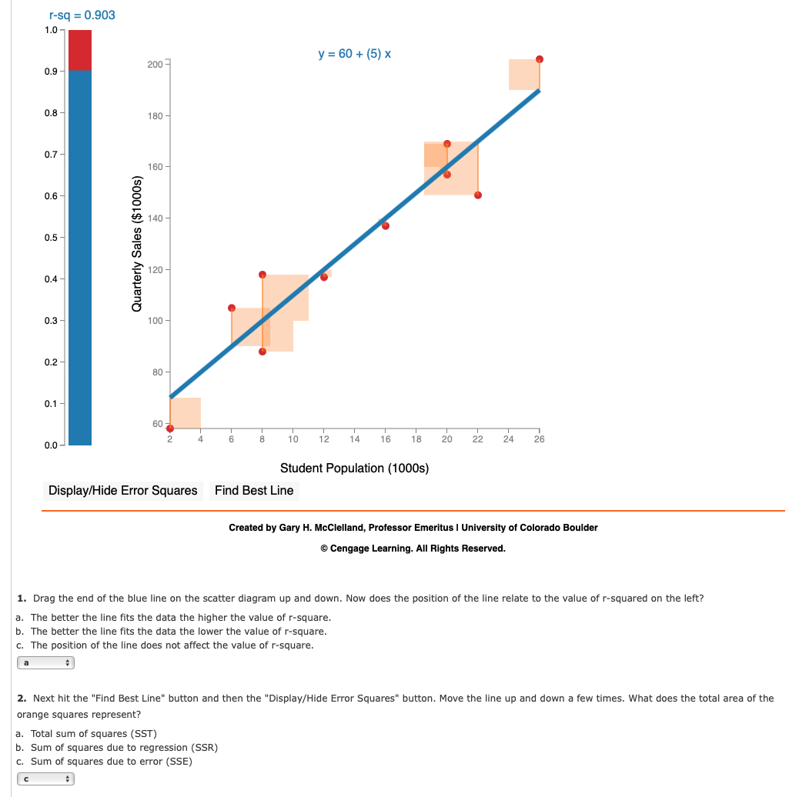

14.3 Exploring
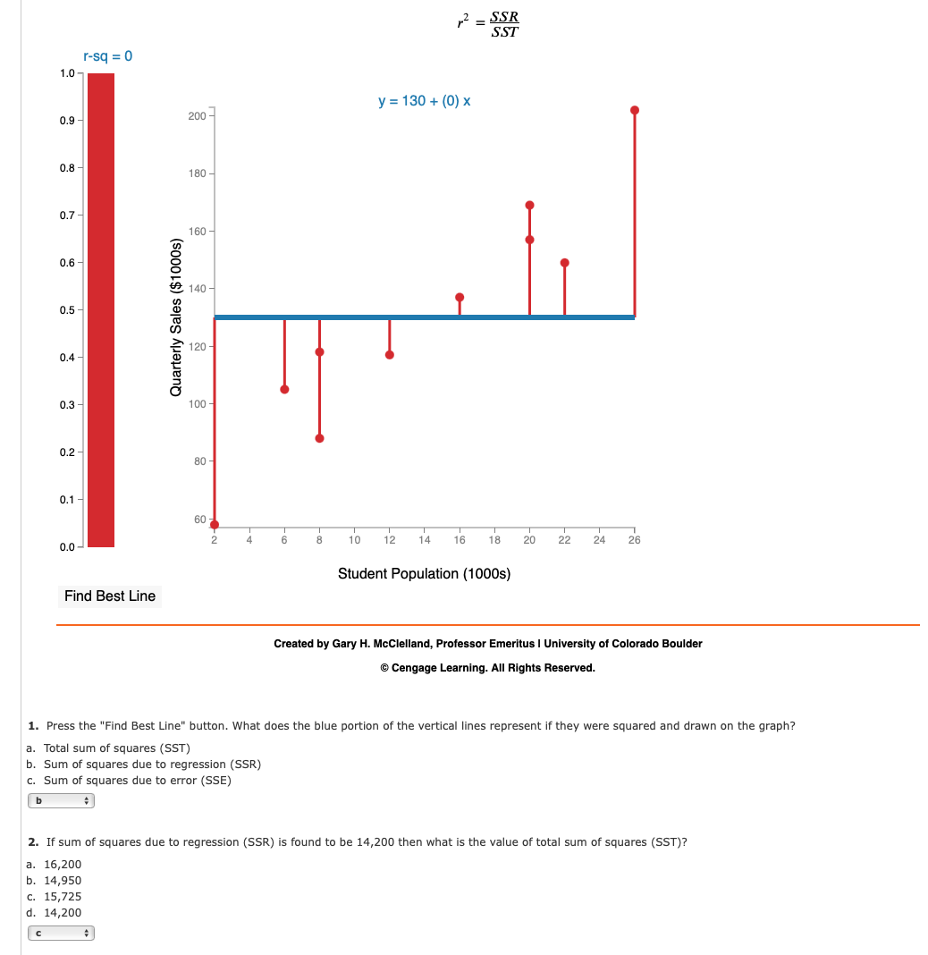

 |  |  | 15,725

SSR | 14200
R^2 | 0.903
SST | 15725.359911 | #NAME?

14.6 Exploring
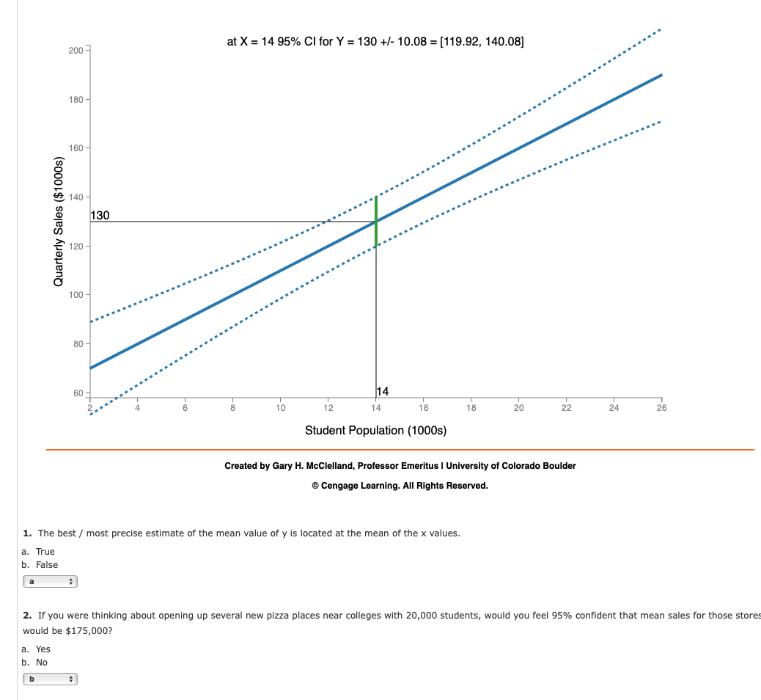

14.8 Exploring
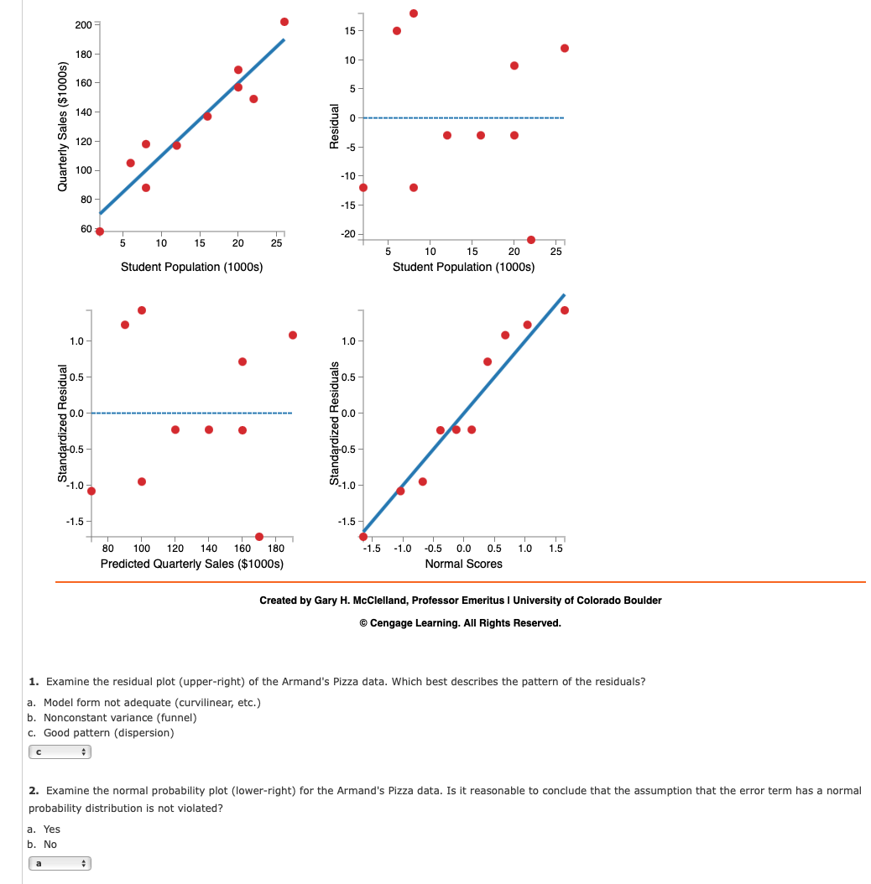

14-9 Exploring-1
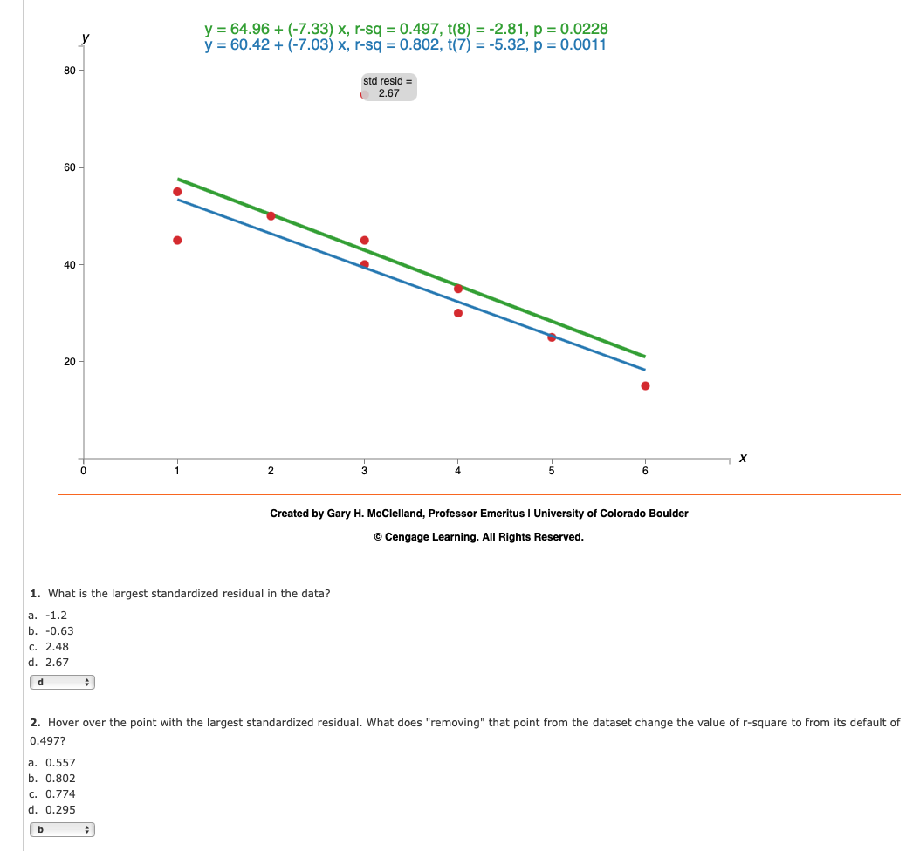

14-9 Exploring-2
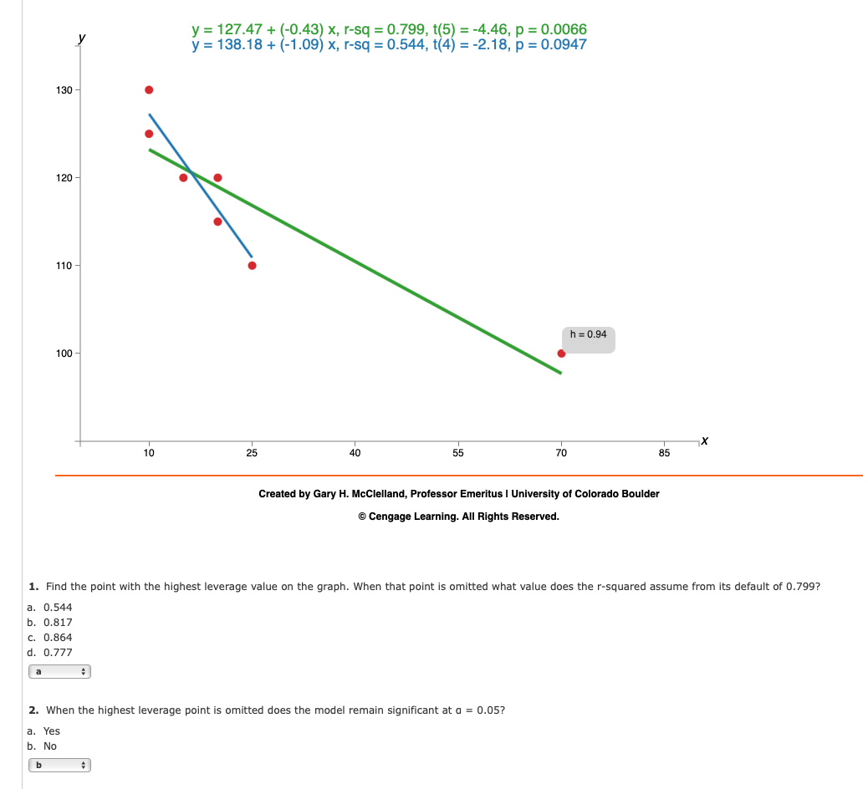

Removing the leverage point is the right practice, because leverage value is 0.94 higher than 6/n. Video
6/n = | 0.85714285714

Assign-1
xi Line Fit Plot
xi | Yi
2 | 7
6 | 18 |  |  |  |  |  |  |  | X | 6
9 | 9 |  |  |  |  |  |  |  | Y hat | 13
13 | 26
20 | 23

SUMMARY OUTPUT

Regression Statistics
Multiple R | 0.73979544287
R Square | 0.5472972973
Adjusted R Square | 0.3963963964
Standard Error | 6.5140872986
Observations | 5

ANOVA
 | df | SS | MS | F | Significance F
Regression | 1 | 153.9 | 153.9 | 3.6268656716 | 0.15296197254
Residual | 3 | 127.3 | 42.433333333
Total | 4 | 281.2

 | Coefficients | Standard Error | t Stat | P-value | Lower 95% | Upper 95% | Lower 99.0% | Upper 99.0%
Intercept | 7.6 | 5.5515763527 | 1.3689805412 | 0.26449674341 | -10.067593652 | 25.267593652 | -24.826254002 | 40.026254002
xi | 0.9 | 0.47258156263 | 1.9044331628 | 0.15296197254 | -0.60396544792 | 2.4039654479 | -1.8603060487 | 3.6603060487

xi Residual Plot

RESIDUAL OUTPUT

Observation | Predicted Yi | Residuals | Standard Residuals
1 | 9.4 | -2.4 | -0.42542894577
2 | 13 | 5 | 0.8863103037
3 | 15.7 | -6.7 | -1.187655807
4 | 19.3 | 6.7 | 1.187655807
5 | 25.6 | -2.6 | -0.46088135792

Page 616

Assign-2
Line Speed Line Fit Plot
Line Speed | Number of Defective Parts Found
20 | 23 |  |  |  |  |  |  |  | X | 25
20 | 21 |  |  |  |  |  |  |  | Y hat | 20
30 | 19
30 | 16
40 | 15
40 | 17
50 | 14
50 | 11

SUMMARY OUTPUT

Regression Statistics
Multiple R | 0.92144267525
R Square | 0.84905660377
Adjusted R Square | 0.82389937107
Standard Error | 1.6329931619
Observations | 8

ANOVA
 | df | SS | MS | F | Significance F
Regression | 1 | 90 | 90 | 33.75 | 0.0011417066077
Residual | 6 | 16 | 2.6666666667
Total | 7 | 106

 | Coefficients | Standard Error | t Stat | P-value | Lower 95% | Upper 95% | Lower 99.0% | Upper 99.0%
Intercept | 27.5 | 1.8973665961 | 14.493772609 | 6.7623680581E-06 | 22.85731119 | 32.14268881 | 20.465649915 | 34.534350085
Line Speed | -0.3 | 0.051639777949 | -5.8094750193 | 0.0011417066077 | -0.42635798465 | -0.17364201535 | -0.49145075978 | -0.10854924022

Line Speed Residual Plot
RESIDUAL OUTPUT

Observation | Predicted Number of Defective Parts Found | Residuals | Standard Residuals
1 | 21.5 | 1.5 | 0.99215674165
2 | 21.5 | -0.5 | -0.33071891388
3 | 18.5 | 0.5 | 0.33071891388
4 | 18.5 | -2.5 | -1.6535945694
5 | 15.5 | -0.5 | -0.33071891388
6 | 15.5 | 1.5 | 0.99215674165
7 | 12.5 | 1.5 | 0.99215674165
8 | 12.5 | -1.5 | -0.99215674165

Page 616
# R Code
rm(list = ls())
setwd("~/Downloads")
x <- c(20, 20, 30, 30, 40, 40, 50, 50)
y <- c(23, 21, 19, 16, 15, 17, 14, 11)
plot (x, y)
slr <- lm(y ~ x)
summary(slr)
abline(slr)
data <- data.frame(x=25)
predict(slr, newdata=data)

Assign-3
Home Value ($1000) Line Fit Plot
Home Value ($1000) | Landscape Expenditures ($1000)
242 | 8.1
321 | 10.8
198 | 12.2
340 | 16.2 |  |  |  |  |  |  |  | Every additional | 1000
300 | 15.6 |  |  |  |  |  |  |  | Y increase | 21.42
400 | 18.9
800 | 23.5 |  |  |  |  |  |  |  | X | 575
200 | 9.5 |  |  |  |  |  |  |  | Y hat | 18.623
521 | 17.5
547 | 22
437 | 12.1
464 | 14
635 | 17.9
356 | 13.9

SUMMARY OUTPUT

Regression Statistics
Multiple R | 0.80929517797
R Square | 0.65495868509
Adjusted R Square | 0.62620524218
Standard Error | 2.7755585231
Observations | 14

ANOVA
 | df | SS | MS | F | Significance F
Regression | 1 | 175.47887005 | 175.47887005 | 22.77844386 | 0.00045419333011
Residual | 12 | 92.444701381 | 7.7037251151
Total | 13 | 267.92357143

 | Coefficients | Standard Error | t Stat | P-value | Lower 95% | Upper 95% | Lower 99.0% | Upper 99.0%
Intercept | 6.30910 | 1.9898505538 | 3.1706393318 | 0.0080600502121 | 1.9735865147 | 10.644610346 | 0.23102113682 | 12.387175724
Home Value ($1000) | 0.02142 | 0.0044870291792 | 4.7726768024 | 0.00045419333011 | 0.011638743333 | 0.031191536818 | 0.0077093318087 | 0.035120948342

RESIDUAL OUTPUT

Home Value ($1000) Residual Plot
Observation | Predicted Landscape Expenditures ($1000) | Residuals | Standard Residuals
1 | 11.491562329 | -3.3915623287 | -1.2718341058
2 | 13.183358395 | -2.3833583946 | -0.89375815594
3 | 10.549296165 | 1.6507038346 | 0.61901307776
4 | 13.590246056 | 2.609753944 | 0.97865636897
5 | 12.733640453 | 2.866359547 | 1.0748833364
6 | 14.875154461 | 4.0248455394 | 1.5093149798
7 | 23.441210491 | 0.05878950932 | 0.022046035358
8 | 10.592126446 | -1.0921264455 | -0.40954684793
9 | 17.46638641 | 0.033613590327 | 0.012605078856
10 | 18.023180052 | 3.9768199484 | 1.4913054082
11 | 15.667514643 | -3.5675146433 | -1.3378161321
12 | 16.245723425 | -2.7457234254 | -1.0296448536
13 | 19.907712378 | -2.0077123783 | -0.75289109557
14 | 13.932888297 | -0.03288829725 | -0.01233309433

Page 619
rm(list = ls())
setwd("~/Downloads")
df <- read.csv("landscape.csv")
x <- df$Home.Value...1000.
y <- df$Landscape.Expenditures...1000.
plot (x, y)
slr <- lm(y ~ x, data = df)
summary(slr)
abline(slr)
data <- data.frame(x=575)
predict(slr, newdata=data)

Assign-4
Distance to Work (miles) Line Fit Plot
Distance to Work (miles) | Number of Days Absent
1 | 8
3 | 5 |  |  |  |  |  |  |  | X | 5
4 | 8 |  |  |  |  |  |  |  | Y hat | 6.3768115942 | ~ 6
6 | 7
8 | 6
10 | 3
12 | 5
14 | 2
14 | 4
18 | 2

SUMMARY OUTPUT

Regression Statistics
Multiple R | 0.84312146944
R Square | 0.71085381222
Adjusted R Square | 0.67471053875
Standard Error | 1.2894148206
Observations | 10

ANOVA
 | df | SS | MS | F | Significance F
Regression | 1 | 32.699275362 | 32.699275362 | 19.667665486 | 0.0021829356714
Residual | 8 | 13.300724638 | 1.6625905797
Total | 9 | 46

 | Coefficients | Standard Error | t Stat | P-value | Lower 95% | Upper 95% | Lower 99.0% | Upper 99.0%
Intercept | 8.097826087 | 0.80882213733 | 10.011874939 | 8.4132980245E-06 | 6.2326788936 | 9.9629732803 | 5.383914534 | 10.81173764
Distance to Work (miles) | -0.34420289855 | 0.077613651583 | -4.4348241776 | 0.0021829356714 | -0.52318030005 | -0.16522549705 | -0.60462676181 | -0.083779035292

Distance to Work (miles) Residual Plot
RESIDUAL OUTPUT

Observation | Predicted Number of Days Absent | Residuals | Standard Residuals
1 | 7.7536231884 | 0.24637681159 | 0.20266718446
2 | 7.0652173913 | -2.0652173913 | -1.6988278698
3 | 6.7210144928 | 1.2789855072 | 1.0520811194
4 | 6.0326086957 | 0.96739130435 | 0.795766739
5 | 5.3442028986 | 0.65579710145 | 0.53945235865
6 | 4.6557971014 | -1.6557971014 | -1.3620426956
7 | 3.9673913043 | 1.0326086957 | 0.84941393489
8 | 3.2789855072 | -1.2789855072 | -1.0520811194
9 | 3.2789855072 | 0.72101449275 | 0.59309955454
10 | 1.902173913 | 0.097826086957 | 0.080470793832

Page 620
rm(list = ls())
setwd("~/Downloads")
df <- read.csv("data14-13.csv")
x <- df$Distance.to.Work..miles.
y <- df$Number.of.Days..Absent
plot (x, y)
slr <- lm(y ~ x, data = df)
summary(slr)
abline(slr)
data <- data.frame(x=5)
predict(slr, newdata=data)

Assign-5
xi Line Fit Plot
xi | yi
2 | 7
6 | 18
9 | 9
13 | 26
20 | 23

SUMMARY OUTPUT

Regression Statistics
Multiple R | 0.73979544287
R Square | 0.5472972973
Adjusted R Square | 0.3963963964
Standard Error | 6.5140872986
Observations | 5

ANOVA
 | df | SS | MS | F | Significance F
Regression | 1 | 153.9 | 153.9 | 3.6268656716 | 0.15296197254
Residual | 3 | 127.3 | 42.433333333
Total | 4 | 281.2

 | Coefficients | Standard Error | t Stat | P-value | Lower 95% | Upper 95% | Lower 99.0% | Upper 99.0%
Intercept | 7.6 | 5.5515763527 | 1.3689805412 | 0.26449674341 | -10.067593652 | 25.267593652 | -24.826254002 | 40.026254002
xi | 0.9 | 0.47258156263 | 1.9044331628 | 0.15296197254 | -0.60396544792 | 2.4039654479 | -1.8603060487 | 3.6603060487

xi Residual Plot
RESIDUAL OUTPUT

Observation | Predicted yi | Residuals | Standard Residuals
1 | 9.4 | -2.4 | -0.42542894577
2 | 13 | 5 | 0.8863103037
3 | 15.7 | -6.7 | -1.187655807
4 | 19.3 | 6.7 | 1.187655807
5 | 25.6 | -2.6 | -0.46088135792

Page 627

Assign-6
Production Volume (units) Line Fit Plot
Production Volume (units) | Total Cost ($)
400 | 4,000
450 | 5,000 |  |  |  |  | X | 500
550 | 5,400 |  |  |  |  | Y hat | 5046.6666667
600 | 5,900
700 | 6,400
750 | 7,000

SUMMARY OUTPUT

Regression Statistics
Multiple R | 0.97912710054
R Square | 0.95868987902
Adjusted R Square | 0.94836234878
Standard Error | 241.52294577
Observations | 6

ANOVA
 | df | SS | MS | F | Significance F
Regression | 1 | 5415000 | 5415000 | 92.828571429 | 0.0006489699667
Residual | 4 | 233333.33333 | 58333.333333
Total | 5 | 5648333.3333

 | Coefficients | Standard Error | t Stat | P-value | Lower 95% | Upper 95% | Lower 99.0% | Upper 99.0%
Intercept | 1246.6666667 | 464.15993412 | 2.6858558333 | 0.054893665828 | -42.047910456 | 2535.3812438 | -890.36970551 | 3383.7030388
Production Volume (units) | 7.6 | 0.78881063775 | 9.6347585039 | 0.0006489699667 | 5.4099105659 | 9.7900894341 | 3.9682409883 | 11.231759012

Production Volume (units) Residual Plot
RESIDUAL OUTPUT

Observation | Predicted Total Cost ($) | Residuals | Standard Residuals
1 | 4286.6666667 | -286.66666667 | -1.3270088097
2 | 4666.6666667 | 333.33333333 | 1.5430334996
3 | 5426.6666667 | -26.666666667 | -0.12344267997
4 | 5806.6666667 | 93.333333333 | 0.43204937989
5 | 6566.6666667 | -166.66666667 | -0.77151674981
6 | 6946.6666667 | 53.333333333 | 0.24688535994

Page 628

# R Code
rm(list = ls())
setwd("~/Downloads")
x <- c(400, 450, 550, 600, 700, 750)
y <- c(4000, 5000, 5400, 5900, 6400, 7000)
plot (x, y)
slr <- lm(y ~ x)
summary(slr)
abline(slr)
data <- data.frame(x=500)
predict(slr, newdata=data)

Assign-7
xi Line Fit Plot
xi | yi
2 | 7 |  |  |  |  |  | This is the Standard Error of Estimate or "s" wich is SQRT(MSE)
6 | 18 |  |  |  |  |  | https://youtu.be/r-txC-dpI-E
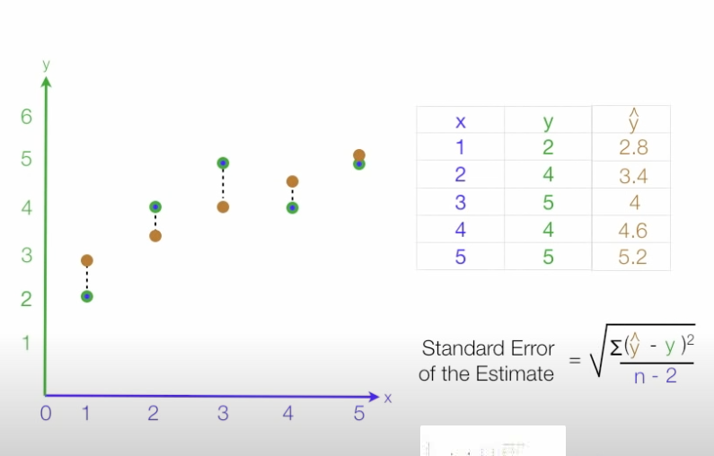
9 | 9
13 | 26
20 | 23

SUMMARY OUTPUT

Regression Statistics
Multiple R | 0.73979544287
R Square | 0.5472972973
Adjusted R Square | 0.3963963964
Standard Error | 6.5140872986
Observations | 5

ANOVA
 | df | SS | MS | F | Significance F
Regression | 1 | 153.9 | 153.9 | 3.6268656716 | 0.15296197254
Residual | 3 | 127.3 | 42.433333333
Total | 4 | 281.2

 | Coefficients | Standard Error | t Stat | P-value | Lower 95% | Upper 95% | Lower 99.0% | Upper 99.0%
Intercept | 7.6 | 5.5515763527 | 1.3689805412 | 0.26449674341 | -10.067593652 | 25.267593652 | -24.826254002 | 40.026254002
xi | 0.9 | 0.47258156263 | 1.9044331628 | 0.15296197254 | -0.60396544792 | 2.4039654479 | -1.8603060487 | 3.6603060487

xi Residual Plot

RESIDUAL OUTPUT

Observation | Predicted yi | Residuals | Standard Residuals
1 | 9.4 | -2.4 | -0.42542894577
2 | 13 | 5 | 0.8863103037
3 | 15.7 | -6.7 | -1.187655807
4 | 19.3 | 6.7 | 1.187655807
5 | 25.6 | -2.6 | -0.46088135792

Page 638

# R Code
rm(list = ls())
setwd("~/Downloads")
x <- c(2, 6, 9, 13, 20)
y <- c(7, 18, 9, 26, 23)
plot (x, y)
slr <- lm(y ~ x)
summary(slr)
abline(slr)

Assign-8
Production Volume (units) Line Fit Plot
Production Volume (units) | Total Cost ($)
400 | 4000
450 | 5000
550 | 5400
600 | 5900
700 | 6400
750 | 7000

SUMMARY OUTPUT

Regression Statistics
Multiple R | 0.97912710054
R Square | 0.95868987902
Adjusted R Square | 0.94836234878
Standard Error | 241.52294577
Observations | 6

ANOVA
 | df | SS | MS | F | Significance F
Regression | 1 | 5415000 | 5415000 | 92.828571429 | 0.0006489699667
Residual | 4 | 233333.33333 | 58333.333333
Total | 5 | 5648333.3333

 | Coefficients | Standard Error | t Stat | P-value | Lower 95% | Upper 95% | Lower 99.0% | Upper 99.0%
Intercept | 1246.6666667 | 464.15993412 | 2.6858558333 | 0.054893665828 | -42.047910456 | 2535.3812438 | -890.36970551 | 3383.7030388
Production Volume (units) | 7.6 | 0.78881063775 | 9.6347585039 | 0.0006489699667 | 5.4099105659 | 9.7900894341 | 3.9682409883 | 11.231759012

Production Volume (units) Residual Plot
RESIDUAL OUTPUT

Observation | Predicted Total Cost ($) | Residuals | Standard Residuals
1 | 4286.6666667 | -286.66666667 | -1.3270088097
2 | 4666.6666667 | 333.33333333 | 1.5430334996
3 | 5426.6666667 | -26.666666667 | -0.12344267997
4 | 5806.6666667 | 93.333333333 | 0.43204937989
5 | 6566.6666667 | -166.66666667 | -0.77151674981
6 | 6946.6666667 | 53.333333333 | 0.24688535994

Page 638
# R Code
rm(list = ls())
setwd("~/Downloads")
x <- c(400, 450, 550, 600, 700, 750)
y <- c(4000, 5000, 5400, 5900, 6400, 7000)
plot (x, y)
slr <- lm(y ~ x)
summary(slr)
abline(slr)
anova(slr)

9-10-11 (Optional)
# R Code Q9
rm(list = ls())
setwd("~/Downloads")
x <- c(3, 12, 6, 20, 14)
y <- c(55, 40, 55, 10, 15)
plot (x, y)
slr <- lm(y ~ x)
summary(slr)
abline(slr)
data <- data.frame(x=8)
predict(slr, newdata=data, interval = "confidence")
predict(slr, newdata=data, interval = "prediction")

Assign-12
ANOVA
 | df | SS | MS | F | Significance F |  | R^2 | 0.81861914905 | #NAME?
Regression | 1 | 1575.76
Residual | 8 | 349.14
Total | 9 | 1924.90
In academic research, R2 values of 0.75, 0.50, or 0.25 can be described as stong, moderate and weak.
 |  |  |  |  |  | Formula
 | Coefficients | Standard Error | t Stat | P-value |  | t Stat | P-value
Intercept | 6.1092 | 0.9361 | 6.5262258306 | 0.00018298345469 |  | #NAME? | #NAME?
Usage | 0.8951 | 0.149 | 6.0073825503 | 0.00032074464894 |  | #NAME? | #NAME?

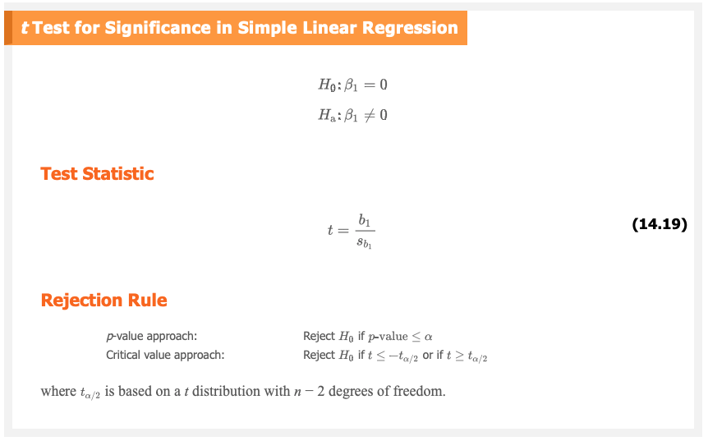
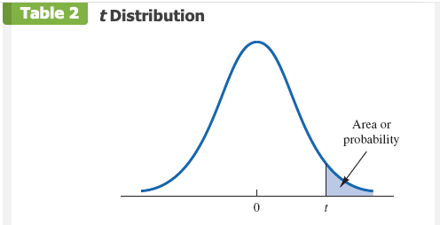

Page 650

Assign-13
xi Line Fit Plot
xi | yi
6 | 6
11 | 8
15 | 12
18 | 20
20 | 30

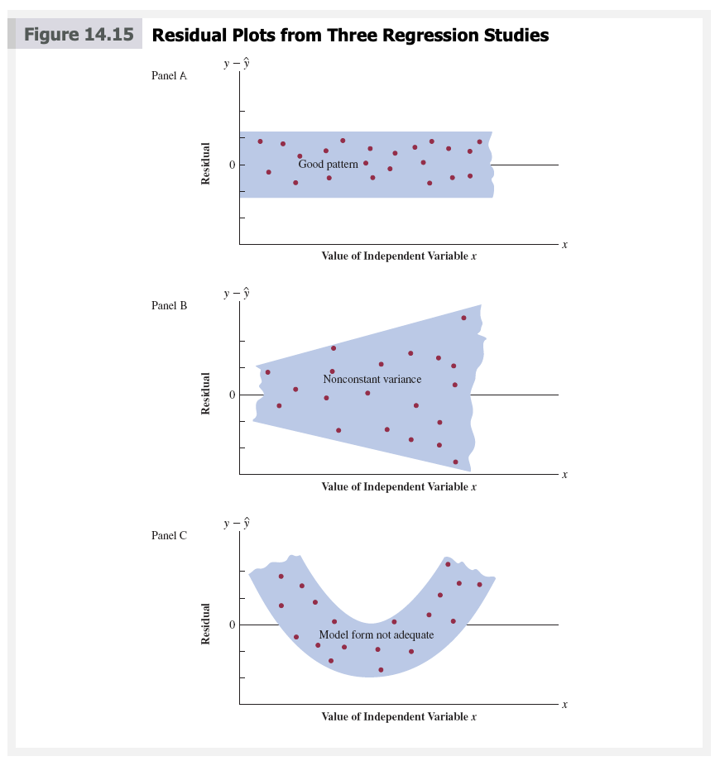
SUMMARY OUTPUT

Regression Statistics
Multiple R | 0.90361117866
R Square | 0.81651316219
Adjusted R Square | 0.75535088292
Standard Error | 4.876463286
Observations | 5

ANOVA
 | df | SS | MS | F | Significance F
Regression | 1 | 317.46031746 | 317.46031746 | 13.3499466 | 0.035399160839
Residual | 3 | 71.33968254 | 23.77989418
Total | 4 | 388.8

 | Coefficients | Standard Error | t Stat | P-value | Lower 95% | Upper 95% | Lower 99.0% | Upper 99.0%
Intercept | -7.0222222222 | 6.4611860628 | -1.0868317603 | 0.35663247841 | -27.584599936 | 13.540155491 | -44.761424048 | 30.716979604
xi | 1.5873015873 | 0.43442987799 | 3.6537578738 | 0.035399160839 | 0.2047518272 | 2.9698513474 | -0.95016393146 | 4.1247671061

xi Residual Plot

RESIDUAL OUTPUT

Observation | Predicted yi | Residuals | Standard Residuals
1 | 2.5015873016 | 3.50 | 0.8284
2 | 10.438095238 | -2.44 | -0.5773
3 | 16.787301587 | -4.79 | -1.1336
4 | 21.549206349 | -1.55 | -0.3668
5 | 24.723809524 | 5.28 | 1.2494

 |  | Predicted yi | Standard Residuals
 |  | 2.5015873016 | 0.8284
 |  | 10.438095238 | -0.5773
 |  | 16.787301587 | -1.1336
 |  | 21.549206349 | -0.3668
 |  | 24.723809524 | 1.2494

Page 662
# R Code
rm(list = ls())
setwd("~/Downloads")
x <- c(6, 11, 15, 18, 20)
y <- c(6, 8, 12, 20, 30)
plot (x, y)
slr <- lm(y ~ x)
summary(slr)
abline(slr)
slr$residuals
plot(slr)

Assign-14
xi Line Fit Plot
xi | yi
4 | 12
5 | 14
7 | 16
8 | 15
10 | 18
12 | 20
12 | 24
22 | 19

SUMMARY OUTPUT

Regression Statistics
Multiple R | 0.63384634789
R Square | 0.40176119273
Adjusted R Square | 0.30205472485
Standard Error | 3.1812271987
Observations | 8

ANOVA
 | df | SS | MS | F | Significance F
Regression | 1 | 40.778761062 | 40.778761062 | 4.0294396269 | 0.091490262809
Residual | 6 | 60.721238938 | 10.12020649
Total | 7 | 101.5

 | Coefficients | Standard Error | t Stat | P-value | Lower 95% | Upper 95% | Lower 99.0% | Upper 99.0%
Intercept | 13.002212389 | 2.3964543151 | 5.4256041132 | 0.0016242006499 | 7.138299925 | 18.866124854 | 4.1175305096 | 21.886894269
xi | 0.42477876106 | 0.21161208551 | 2.0073464143 | 0.091490262809 | -0.093017358813 | 0.94257488094 | -0.3597578144 | 1.2093153365
xi Residual Plot

RESIDUAL OUTPUT

Observation | Predicted yi | Residuals | Standard Residuals
1 | 14.701327434 | -2.7013274336 | -0.92
2 | 15.126106195 | -1.1261061947 | -0.38
3 | 15.975663717 | 0.024336283186 | 0.01
4 | 16.400442478 | -1.4004424779 | -0.48
5 | 17.25 | 0.75 | 0.25
6 | 18.099557522 | 1.9004424779 | 0.65
7 | 18.099557522 | 5.9004424779 | 2.00 | Otliers have high residuals. Usually 2 SD (2 standard residual) above mean.
8 | 22.347345133 | -3.3473451327 | -1.14

Observation | xi | (xi-xbar)^2 | Leverage | Formula
1 | 4 | 36 | 0.28 | #NAME?
2 | 5 | 25 | 0.24 | #NAME?
3 | 7 | 9 | 0.16 | #NAME?
4 | 8 | 4 | 0.14 | #NAME?
5 | 10 | 0 | 0.13 | #NAME?
6 | 12 | 4 | 0.14 | #NAME?
7 | 12 | 4 | 0.14 | #NAME?
8 | 22 | 144 | 0.76 | Influential | Influential points are outliers with x away from the mean or high leverage. For simple linear regression, we consider observations as having high leverage if h>6/n. In this case 6/n = 6/8 = .75
Average (Xbar) | 10 | 226

Page 668
# R Code
rm(list = ls())
setwd("~/Downloads")
x <- c(4, 5, 7, 8, 10, 12, 12, 22)
y <- c(12, 14, 16, 15, 18, 20, 24, 19)
plot (x, y)
slr <- lm(y ~ x)
summary(slr)
abline(slr)
slr$residuals
rstandard(slr)
hatvalues(slr)

Assign-15
Arrival Time (Minutes Before 6:00 p.m.) | Shopping Time (Minutes) |  | Page 669
59 | 24
22 | 19
58 | 25
84 | 29
53 | 40
97 | 45
38 | 32
12 | 25
0 | 11
132 | 54
55 | 21
0 | 14
91 | 36
11 | 15
3 | 11
27 | 16
39 | 37
15 | 13
77 | 35
31 | 17
24 | 17
19 | 24
Arrival Time (Minutes Before 6:00 p.m.) Line Fit Plot
23 | 30
39 | 24
58 | 26
114 | 56
30 | 22
108 | 41
48 | 26
103 | 41
71 | 27
111 | 24

SUMMARY OUTPUT

Regression Statistics
Multiple R | 0.81236484101
R Square | 0.6599366349
Adjusted R Square | 0.6486011894
Standard Error | 6.9373707925
Observations | 32

ANOVA
 | df | SS | MS | F | Significance F
Regression | 1 | 2801.9053446 | 2801.9053446 | 58.218852953 | 1.6468692558E-08
Residual | 30 | 1443.8134054 | 48.127113513
Total | 31 | 4245.71875

 | Coefficients | Standard Error | t Stat | P-value | Lower 95% | Upper 95% | Lower 99.0% | Upper 99.0%
Intercept | 14.2765 | 2.113061259 | 6.7563308385 | 1.7209878151E-07 | 9.96109414 | 18.591987755 | 8.4656316697 | 20.087450226
Arrival Time (Minutes Before 6:00 p.m.) | 0.2543 | 0.0333321414 | 7.6301279775 | 1.6468692558E-08 | 0.18625519035 | 0.32240181894 | 0.16266526067 | 0.34599174862

Arrival Time (Minutes Before 6:00 p.m.) Residual Plot
RESIDUAL OUTPUT

Observation | Predicted Shopping Time (Minutes) | Residuals | Standard Residuals
1 | 29.281922722 | -5.2819227218 | -0.77395793091
2 | 19.87176805 | -0.87176804986 | -0.12773980833
3 | 29.027594217 | -4.0275942171 | -0.59016169888
4 | 35.640135338 | -6.6401353379 | -0.97297625842
5 | 27.755951694 | 12.244048306 | 1.7941152857
6 | 38.946405898 | 6.0535941017 | 0.88703061599
7 | 23.941024124 | 8.0589758758 | 1.18087837
8 | 17.328483003 | 7.6715169966 | 1.1241041822
9 | 14.276540948 | -3.2765409477 | -0.48011017691
10 | 47.847903561 | 6.1520964391 | 0.90146412236
11 | 28.264608703 | -7.2646087032 | -1.0644800799
12 | 14.276540948 | -0.27654094765 | -0.040521429588
13 | 37.42043487 | -1.4204348704 | -0.20813572845
14 | 17.074154499 | -2.0741544988 | -0.30392499262
15 | 15.039526462 | -4.0395264616 | -0.59191012568
16 | 21.143410573 | -5.1434105731 | -0.7536618036
17 | 24.195352629 | 12.804647371 | 1.8762596326
18 | 18.091468517 | -5.0914685173 | -0.74605075586
19 | 33.859835805 | 1.1401641946 | 0.16706778335
20 | 22.160724592 | -5.1607245917 | -0.75619881951
21 | 20.380425059 | -3.3804250592 | -0.49533227239
22 | 19.108782536 | 4.8912174641 | 0.71670805264
23 | 20.126096555 | 9.8739034455 | 1.4468189489
24 | 24.195352629 | -0.19535262885 | -0.028624939133
25 | 29.027594217 | -3.0275942171 | -0.44363211644
26 | 43.269990477 | 12.730009523 | 1.8653229798
27 | 21.906396087 | 0.093603912968 | 0.013715742282
28 | 41.744019449 | -0.74401944941 | -0.10902085925
29 | 26.484309171 | -0.48430917066 | -0.070965620549
30 | 40.472376926 | 0.52762307382 | 0.077312388693
31 | 32.333864778 | -5.3338647775 | -0.78156897865
32 | 42.507004963 | -18.507004963 | -2.7118237095 | Otliers have high residuals. Usually 2 SD (2 standard residual) above mean.

Arrival Time (Minutes Before 6:00 p.m.) | Shopping Time (Minutes)
59 | 24
22 | 19
58 | 25
84 | 29
53 | 40
97 | 45
38 | 32
12 | 25
0 | 11
132 | 54
55 | 21
0 | 14
91 | 36
11 | 15
3 | 11
27 | 16
39 | 37
Arrival Time (Minutes Before 6:00 p.m.) Line Fit Plot
15 | 13
77 | 35
31 | 17
24 | 17
19 | 24
23 | 30
39 | 24
58 | 26
114 | 56
30 | 22
108 | 41
48 | 26
103 | 41
71 | 27

SUMMARY OUTPUT

Regression Statistics
Multiple R | 0.86610812746
R Square | 0.75014328846
Adjusted R Square | 0.74152753979
Standard Error | 6.0396073106
Observations | 31

ANOVA
 | df | SS | MS | F | Significance F
Regression | 1 | 3175.913098 | 3175.913098 | 87.066523974 | 3.1002052872E-10
Residual | 29 | 1057.8288375 | 36.476856466
Total | 30 | 4233.7419355

 | Coefficients | Standard Error | t Stat | P-value | Lower 95% | Upper 95% | Lower 99.0% | Upper 99.0%
Intercept | 13.4525 | 1.8569714605 | 7.2443077289 | 5.6184197507E-08 | 9.6545396283 | 17.25040578 | 8.3339427466 | 18.571002661
Arrival Time (Minutes Before 6:00 p.m.) | 0.2829 | 0.030320174548 | 9.330944431 | 3.1002052872E-10 | 0.2209041441 | 0.34492758358 | 0.19934176212 | 0.36648996556

Arrival Time (Minutes Before 6:00 p.m.) Residual Plot
RESIDUAL OUTPUT

Observation | Predicted Shopping Time (Minutes) | Residuals | Standard Residuals
1 | 30.144508671 | -6.1445086705 | -1.0347610853
2 | 19.676621708 | -0.67662170841 | -0.11394593952
3 | 29.861592807 | -4.8615928067 | -0.81871266181
4 | 37.217405267 | -8.2174052665 | -1.3838455845
5 | 28.447013487 | 11.552986513 | 1.9455714856
6 | 40.895311496 | 4.1046885035 | 0.69124679591
7 | 24.20327553 | 7.7967244701 | 1.3130011702
8 | 16.84746307 | 8.15253693 | 1.3729214839
9 | 13.452472704 | -2.4524727039 | -0.41300671103
10 | 50.797366731 | 3.2026332691 | 0.53933690311
11 | 29.012845215 | -8.0128452152 | -1.349396812
12 | 13.452472704 | 0.54752729608 | 0.092205897905
13 | 39.197816313 | -3.1978163134 | -0.53852570753
14 | 16.564547206 | -1.5645472062 | -0.26347632527
15 | 14.301220295 | -3.3012202954 | -0.55593937271
16 | 21.091201028 | -5.0912010276 | -0.85737965125
17 | 24.486191394 | 12.513808606 | 2.1073779646
18 | 17.696210662 | -4.6962106615 | -0.79086161347
19 | 35.23699422 | -0.23699421965 | -0.039910822671
20 | 22.222864483 | -5.222864483 | -0.87955233051
21 | 20.242453436 | -3.2424534361 | -0.5460427866
22 | 18.827874117 | 5.1721258831 | 0.87100773704
23 | 19.959537572 | 10.040462428 | 1.6908560727
24 | 24.486191394 | -0.48619139371 | -0.081876674151
25 | 29.861592807 | -3.8615928067 | -0.65030845883
26 | 45.704881182 | 10.295118818 | 1.7337412791
27 | 21.939948619 | 0.060051380861 | 0.010112904932
28 | 44.007385999 | -3.0073859987 | -0.50645644216
29 | 27.032434168 | -1.0324341683 | -0.17386625323
30 | 42.59280668 | -1.5928066795 | -0.26823533936
31 | 33.539499037 | -6.5394990366 | -1.1012791231

rm(list = ls())
setwd("~/Downloads")
df <- read.csv("checkout.csv")
x <- df$Arrival.Time..Minutes.Before.6.00.p.m..
y <- df$Shopping.Time..Minutes.
plot (x, y)
slr <- lm(y ~ x, data = df)
summary(slr)
abline(slr)
slr$residuals
rstandard(slr)
hatvalues(slr)
# Removing Last Observation
df1 <- df[-32,]
x <- df1$Arrival.Time..Minutes.Before.6.00.p.m..
y <- df1$Shopping.Time..Minutes.
plot (x, y)
slr <- lm(y ~ x, data = df1)
summary(slr)
abline(slr)
slr$residuals
rstandard(slr)
hatvalues(slr)

Assign-16
Miles (1000s) | Price ($1000s) |  | Page 677
22 | 16.2
29 | 16
36 | 13.8
47 | 11.5
63 | 12.5
77 | 12.9
73 | 11.2 |  | x | 60
87 | 13 |  | y hat | 12.9433 | $12,943.3
Because of other factors, such as condition and whether the seller is a private party or a dealer, this is probably not the price you would offer for the car. But, it should be a good starting point in figuring out what to offer the seller.
92 | 11.8
101 | 10.8
110 | 8.3
28 | 12.5
59 | 11.1
Miles (1000s) Line Fit Plot
68 | 15
68 | 12.2
91 | 13
42 | 15.6
65 | 12.7
110 | 8.3

SUMMARY OUTPUT

Regression Statistics
Multiple R | 0.73393282868
R Square | 0.53865739701
Adjusted R Square | 0.51151959683
Standard Error | 1.5413769786
Observations | 19

ANOVA
 | df | SS | MS | F | Significance F
Regression | 1 | 47.158037589 | 47.158037589 | 19.848970569 | 0.00034751104615
Residual | 17 | 40.389330833 | 2.3758429901
Total | 18 | 87.547368421

 | Coefficients | Standard Error | t Stat | P-value | Lower 95% | Upper 95% | Lower 99.0% | Upper 99.0%
Intercept | 16.4698 | 0.94876415329 | 17.359166634 | 2.9867677677E-12 | 14.468037643 | 18.471472423 | 13.720017808 | 19.219492258
Miles (1000s) | -0.0588 | 0.013192155184 | -4.4552183526 | 0.00034751104615 | -0.086606946396 | -0.030940917373 | -0.097007838658 | -0.020540025111

Miles (1000s) Residual Plot
RESIDUAL OUTPUT

Observation | Predicted Price ($1000s) | Residuals | Standard Residuals
1 | 15.176728532 | 1.0232714683 | 0.68311494776
2 | 14.765311008 | 1.2346889915 | 0.82425292999
3 | 14.353893485 | -0.55389348528 | -0.36976787781
4 | 13.707380235 | -2.2073802346 | -1.4736015615
5 | 12.766997324 | -0.26699732441 | -0.1782419123
6 | 11.944162278 | 0.95583772197 | 0.63809756816
7 | 12.179258006 | -0.97925800557 | -0.65373246692
8 | 11.356422959 | 1.6435770408 | 1.0972181666
9 | 11.0625533 | 0.73744670023 | 0.49230422199
10 | 10.533587913 | 0.26641208719 | 0.17785121999
11 | 10.004622526 | -1.7046225258 | -1.1379708745
12 | 14.82408494 | -2.3240849404 | -1.5515112184
13 | 13.002093052 | -1.9020930519 | -1.2697981289
14 | 12.473127665 | 2.526872335 | 1.6868879047
15 | 12.473127665 | -0.27312766499 | -0.18233440135
16 | 11.121327232 | 1.8786727683 | 1.2541632301
17 | 14.001249894 | 1.598750106 | 1.0672926286
18 | 12.649449461 | 0.050550539359 | 0.033746498483
19 | 10.004622526 | -1.7046225258 | -1.1379708745
rm(list = ls())
setwd("~/Downloads")
df <- read.csv("camry.csv")
x <- df$Miles..1000s.
y <- df$Price...1000s.
plot (x, y)
slr <- lm(y ~ x, data = df)
summary(slr)
abline(slr)
data <- data.frame(x=60)
predict(slr, newdata=data)

Inter-1
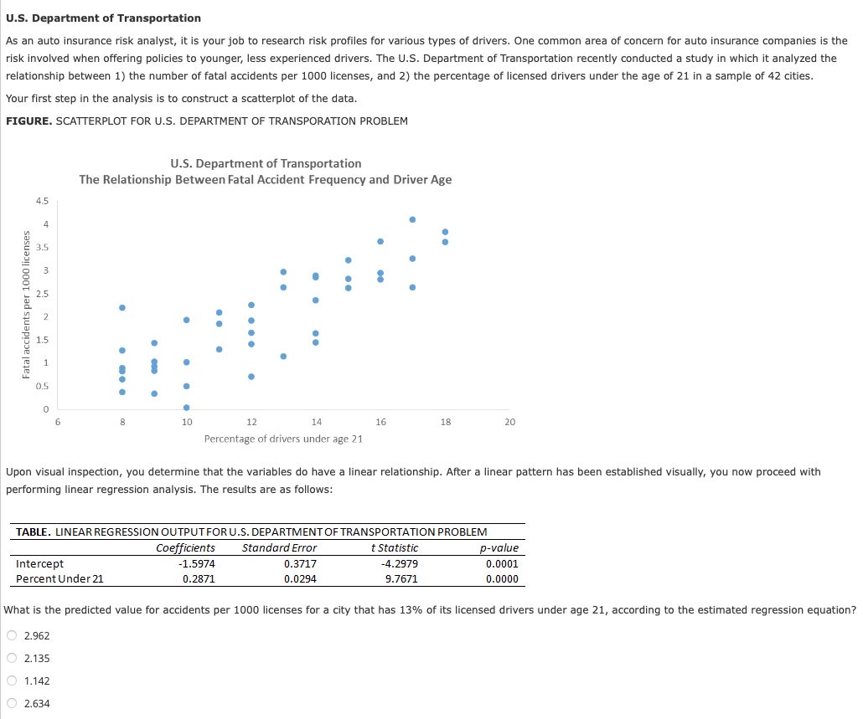

bo | -1.5974
b1 | 0.2871
x | 13
y hat | 2.1349

Inter-2
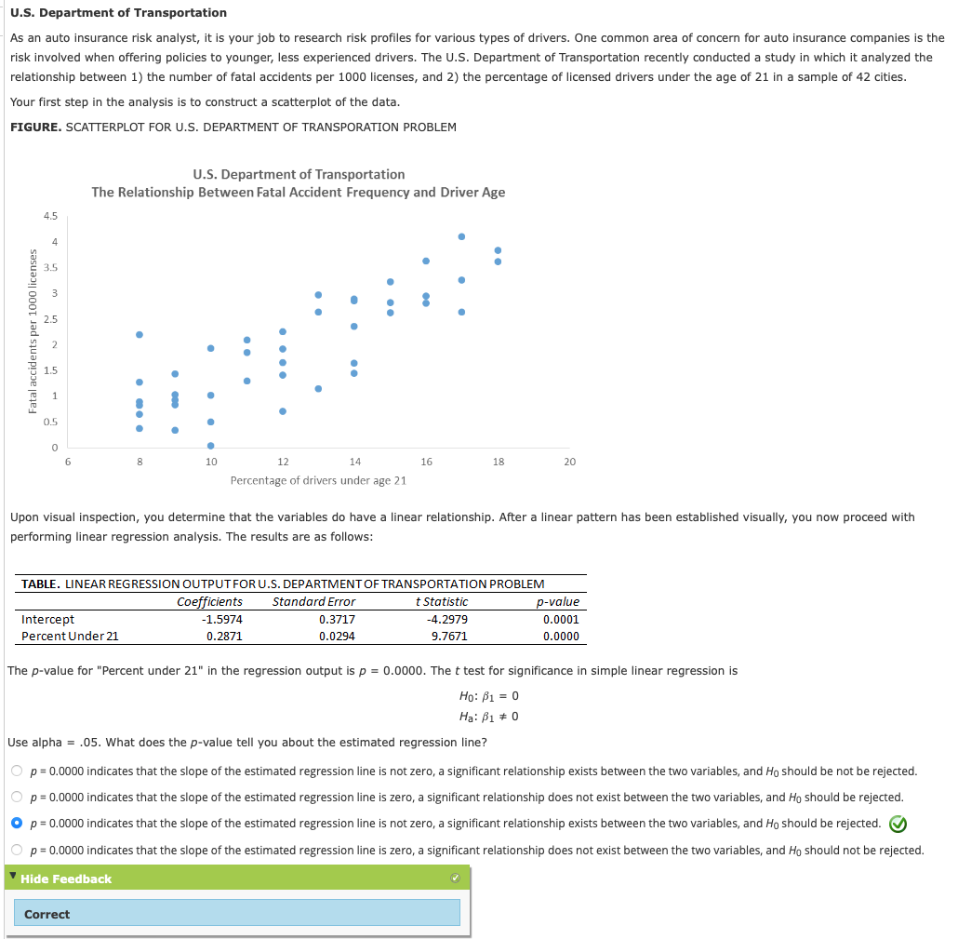

Inter-3
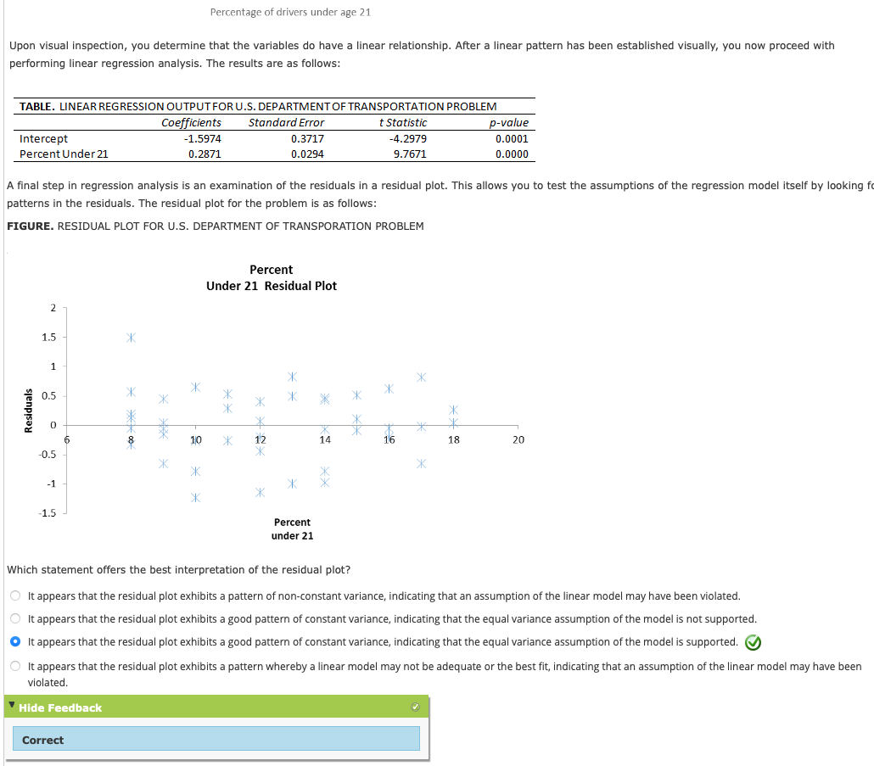

Case-5

 |  |  |  | Page 682

ZIP Code | Population | Season Pass Holders | Simple Linear Regression in R
45220 | 14171 | 224 | https://youtu.be/66z_MRwtFJM
45219 | 17576 | 42 | https://youtu.be/eTZ4VUZHzxw
rm(list = ls())
setwd("~/Downloads")
buckeye_df <- read.csv("buckeyecreek.csv")
# Descriptive Statistics
summary(buckeye_df)
# Scatter Diagram
zip_code <- buckeye_df$ZIP.Code
population <- buckeye_df$Population
pass_holders <- buckeye_df$Season.Pass.Holders
plot(population, pass_holders)
# Regression
cor(pass_holders, population)
buckeye_slr <- lm(pass_holders ~ population, data = buckeye_df)
summary (buckeye_slr)
abline (buckeye_slr)
anova(buckeye_slr)
# Residuals Analysis
plot(buckeye_slr)
# Fan (Not Good!)
45225 | 13437 | 15
45217 | 5731 | 78
45214 | 9952 | 19
45232 | 6913 | 28
45223 | 13349 | 83
45229 | 15713 | 75
45206 | 11353 | 69
45202 | 15105 | 83
45203 | 3411 | 9
45207 | 8233 | 8
41074 | 5566 | 36
41073 | 6193 | 63
45224 | 21043 | 207
41071 | 21596 | 133
45205 | 21683 | 102
45204 | 6642 | 36
41016 | 5603 | 42
45216 | 9028 | 55
45212 | 22356 | 207
41011 | 25849 | 193
41014 | 7913 | 41
45237 | 21137 | 86
---
title: 'Case 5: Buckeye Creek Amusement Park'
author: "Vafa"
date: "1/19/2022"
output: html_document
---
```{r setup, include=FALSE}
knitr::opts_chunk$set(echo = TRUE)
```
<!-- cmd + option + i -->
### Descriptive Statistics
```{r}
setwd("~/Downloads")
buckeye_df <- read.csv("buckeyecreek.csv")
summary(buckeye_df)
```
### Scatter Diagram
```{r}
zip_code <- buckeye_df$ZIP.Code
population <- buckeye_df$Population
pass_holders <- buckeye_df$Season.Pass.Holders
plot(population, pass_holders)
```
### Regression Analysis
```{r}
cor(pass_holders, population)
buckeye_slr <- lm(pass_holders ~ population, data = buckeye_df)
summary (buckeye_slr)
plot(population, pass_holders)
abline (buckeye_slr)
```
### Details
```{r}
attributes(buckeye_slr)
buckeye_slr$coefficients
anova(buckeye_slr)
```
### Residual Analysis
```{r}
plot(buckeye_slr)
```
45208 | 18236 | 424
45211 | 33968 | 342
45239 | 26485 | 269
41075 | 15868 | 236
45209 | 8941 | 111
45226 | 5029 | 84
45238 | 42737 | 564
45231 | 39939 | 361
45213 | 11683 | 153
45215 | 28915 | 308
45218 | 3917 | 54
41017 | 40218 | 493
41076 | 14779 | 176
45251 | 22887 | 205
45227 | 18431 | 215
45247 | 20372 | 357
41015 | 22298 | 189
45248 | 22880 | 380
45236 | 21823 | 310
45240 | 27033 | 142
45246 | 13522 | 100
45230 | 25763 | 423
45233 | 14175 | 244
45252 | 4799 | 58
41018 | 29001 | 244
45243 | 14755 | 303
45241 | 25623 | 299
45014 | 44178 | 307
45242 | 20015 | 377
45244 | 26316 | 448
41059 | 2266 | 22
41048 | 12597 | 214
41051 | 18730 | 323
45255 | 22552 | 307
45174 | 2072 | 52
41042 | 50429 | 440
45002 | 13298 | 184
45015 | 12504 | 47
45069 | 46264 | 561
45052 | 3770 | 52
45249 | 13432 | 154
41001 | 16982 | 164
41005 | 20892 | 209
45011 | 62303 | 496
45245 | 17701 | 189
41091 | 17372 | 226
45013 | 51730 | 286
45150 | 31179 | 316
41094 | 9748 | 106
45030 | 16386 | 192
45140 | 52874 | 657
41063 | 3662 | 19
45040 | 51183 | 549
45102 | 22009 | 217
45039 | 21398 | 278
41007 | 3215 | 26
45053 | 3441 | 25
45157 | 10312 | 72
45050 | 6988 | 80
41080 | 2114 | 11
45067 | 12507 | 62
45034 | 1227 | 11
45103 | 29874 | 267
47025 | 21986 | 154
45044 | 49621 | 322
41030 | 7280 | 35
41092 | 3198 | 18
45065 | 5194 | 35
41033 | 1712 | 11
47060 | 6910 | 38
41006 | 4835 | 19
45122 | 12550 | 59
45042 | 28821 | 91
45056 | 28811 | 88
45036 | 36066 | 225
45064 | 2376 | 9
47040 | 5242 | 10
45153 | 2132 | 10
45152 | 9686 | 101
47022 | 2740 | 17
47001 | 10370 | 36
45162 | 2900 | 11
45005 | 31944 | 93
41035 | 9671 | 54
45106 | 12675 | 61
45176 | 8485 | 47
45311 | 7381 | 10
41043 | 2968 | 7
45327 | 7961 | 13
41040 | 7249 | 14
45066 | 23119 | 129
41097 | 6854 | 22
45054 | 1730 | 12
41095 | 4218 | 11
45120 | 3774 | 20
45342 | 31929 | 55
47032 | 3628 | 10
45107 | 9608 | 40
47012 | 10579 | 23
45130 | 4202 | 17
45118 | 4239 | 23
41086 | 1602 | 5
47018 | 4435 | 12
45458 | 26281 | 75
45449 | 19237 | 15
45068 | 11293 | 28
47041 | 5544 | 18
45113 | 4118 | 16
45154 | 8093 | 41
45320 | 15282 | 8
45459 | 26744 | 39
47031 | 5179 | 12
41004 | 4311 | 9
41003 | 2397 | 5
41010 | 3321 | 5
41002 | 2104 | 6
45429 | 25537 | 39
45305 | 11159 | 16
45409 | 13554 | 9
45419 | 15782 | 33
45121 | 8919 | 26
45440 | 19463 | 25
45420 | 24393 | 20
45410 | 17025 | 7
45430 | 7137 | 7
45403 | 16794 | 8
45142 | 4973 | 10

